Snapshot by FY
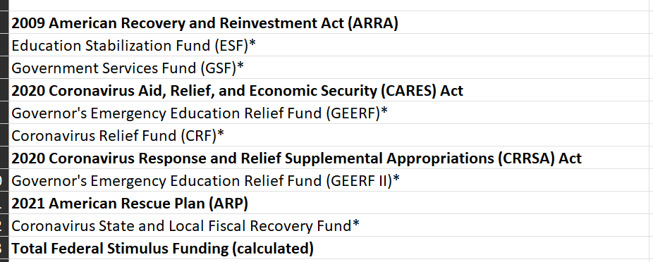
Financial Aid & CARES | (blank) |  |  |  |  |  |  | Financial Aid & CARES | Financial Aid
Sponsored Project Expenditures, Fiscal Year 2024 (excludes Federal Stimulus and Financial Aid) |  |  |  | Federal Stimulus Sponsored Project Expenditures, Fiscal Year 2024 |  |  |  | Financial Aid Sponsored Project Expenditures, Fiscal Year 2024
Total External Expenditures |  |  |  | Total External Expenditures |  |  |  | Total External Expenditures |  |  |  | CFDA Titles inlcuded as CARES and Financial Aid Sponsored Projects:
Award Type | Grant Funding Source | Award Sponsor Name | Total | Financial Aid & CARES | Award Type | Grant Funding Source | Total | Award Type | Grant Funding Source | Award Sponsor Name | Total | FEDERAL WORK-STUDY PROGRAM
Instruction - Sponsored | Federal Direct |  | 1,885,293.76 | ARP |  |  | 2,751,381.30 | Public Service - Sponsored | Federal Direct |  | 44,810,535.39 | FEDERAL DIRECT STUDENT LOANS
 | Federal Passthrough |  | 615,626.51 | CRF |  |  | 215,799.13 | Public Service - Sponsored Total |  |  | 44,810,535.39 | FEDERAL PELL GRANT PROGRAM
 | Non-Federal |  | 367,353.30 | Financial Aid |  |  | 44,810,535.39 |  |  |  |  | Scholarships & Financial Aid
Instruction - Sponsored Total |  |  | 2,868,273.57 | GEER II |  |  | 2,644,506.64 | Grand Total |  |  | 44,810,535.39 | Gaining Early Awareness and Readiness for Undergraduate Programs
 |  |  |  | Grand Total |  |  | 50,422,222.46 |  |  |  |  | TEACHER EDUCATION ASSISTANCE FOR COLLEGE AND HIGHER EDUCATION GRANTS (TEACH GRANTS)
Public Service - Sponsored | Federal Direct |  | 16,542,961.86 |  |  |  |  |  |  |  |  | FEDERAL SUPPLEMENTAL EDUCATIONAL OPPORTUNITY GRANTS
 | Federal Passthrough |  | 8,616,903.52 |  |  |  |  |  |  |  |  | COVID-19 Education Stabilization Fund (CARES HEERF)
 | Non-Federal |  | 9,869,739.85 |  |  |  |  |  |  |  |  | COVID-19 Health Center Program (Community Health Centers, Migrant Health Centers, Health Care for the Homeless, and Public Housing Primary Care)
Public Service - Sponsored Total |  |  | 35,029,605.22 |  |  |  |  |  |  |  |  | COVID-19 Provider Relief Fund
 |  |  |  |  |  |  |  |  |  |  |  | COVID-19 Coronavirus Relief Fund (CRF)
Research - Sponsored | Federal Direct |  | 63,571,267.97 |  |  |  |  |  |  |  |  | Education Stabilization Fund (CARES HEERF)
 | Federal Passthrough |  | 10,011,070.42 |  |  |  |  |  |  |  |  | Coronavirus Relief Fund (CRF)
 | Non-Federal |  | 14,497,064.80 |  |  |  |  |  |  |  |  | Coronavirus State and Local Fiscal Recovery Funds (CSLFRF), Coronavirus State Fiscal Recovery Fund (CSFRF) and Coronavirus Local Fiscal Recovery Fund (CLFRF)
Research - Sponsored Total |  |  | 88,079,403.18

Grand Total |  |  | 125,977,281.97
 |  | FY23 = | 115,235,471.50

